Sheet1
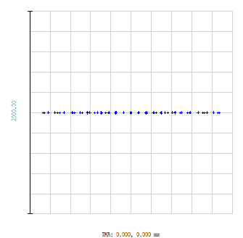
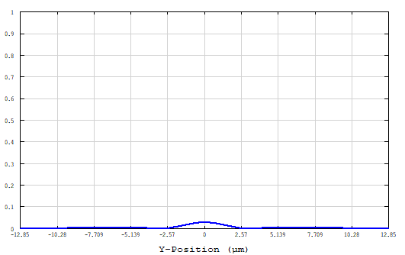
BEP
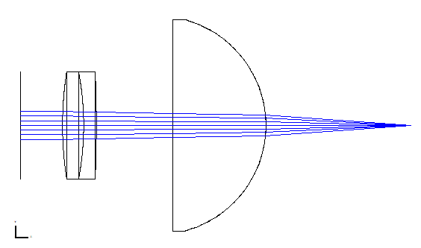


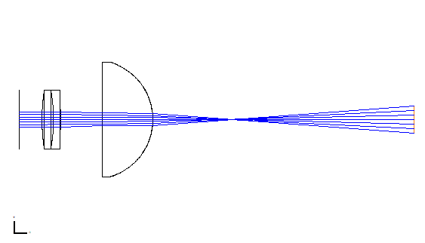
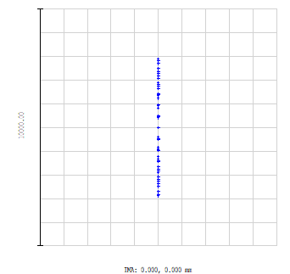
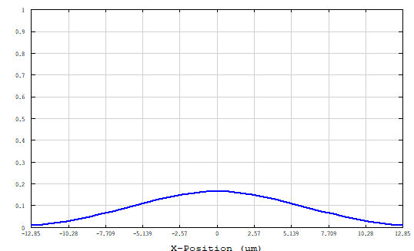


f1 | 75mm
f2 | 25mm
EFL(calc) | 22.97mm
EFL(Zemax) | 22.85mm
Image d1 | 17.147mm
Image d2 | 56.602mm
w0 (calc) | 2.378um
b (calc) | 72.79um
w0 (Zemax) | 2.303um
b (Zemax) | 68.29um
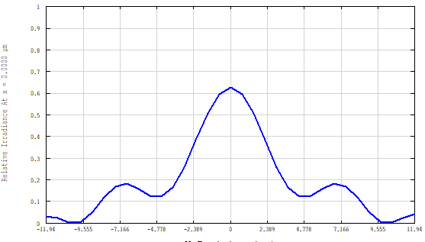
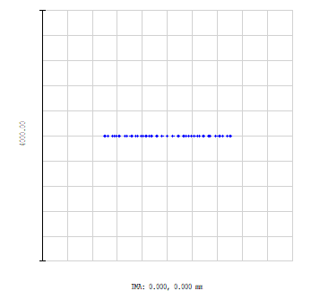
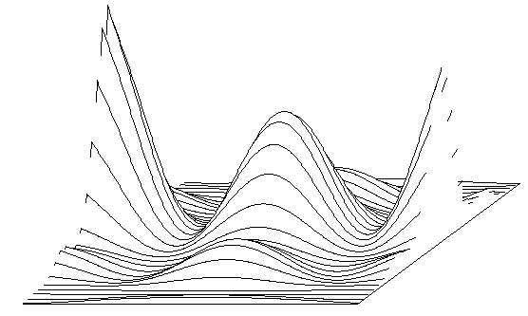
BEP-Improved
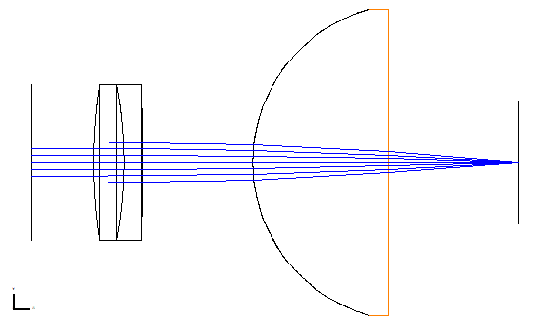

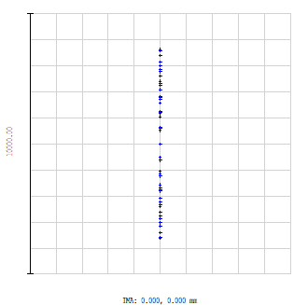
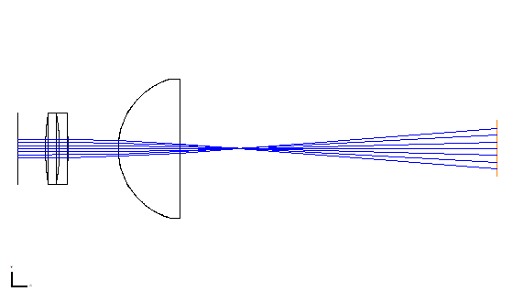
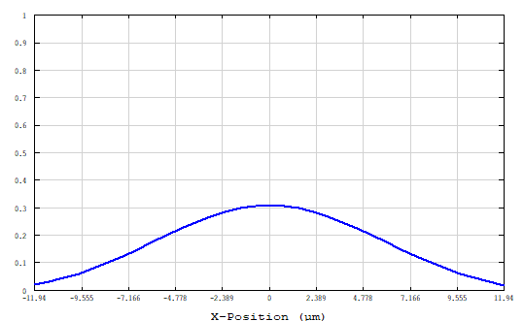
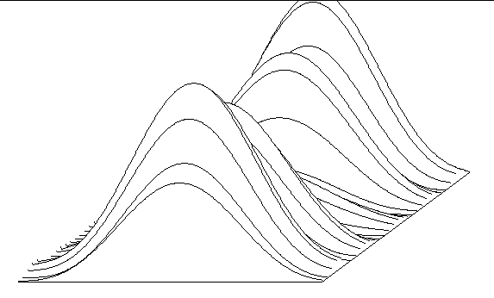

f1 | 75mm
f2 | 25mm
EFL(calc) | 22.03mm
EFL(Zemax) | 20.99mm
Image d1 | 10.611mm
Image d2 | -
w0 (calc) | 2.280um
b (calc) | 66.93um
w0 (Zemax)
b (Zemax)

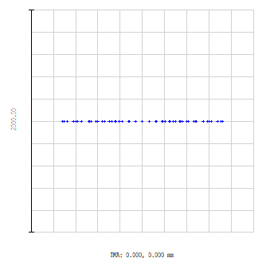
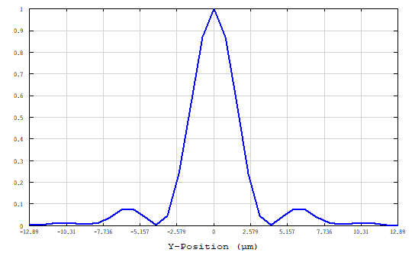
AIM
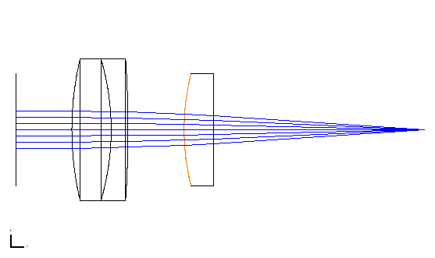
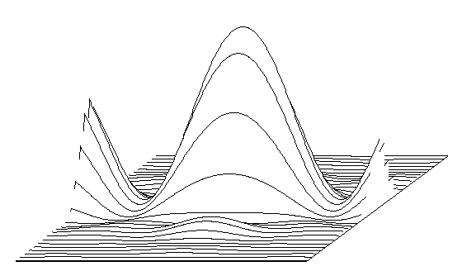

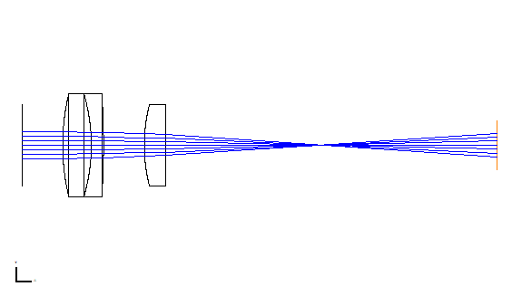
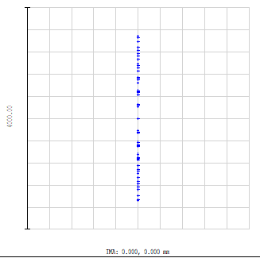
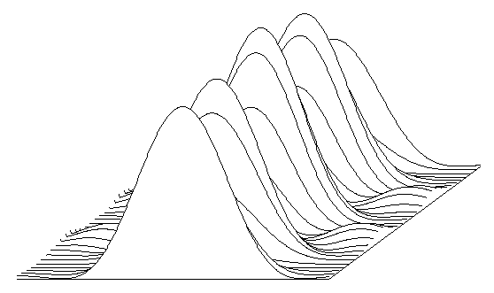
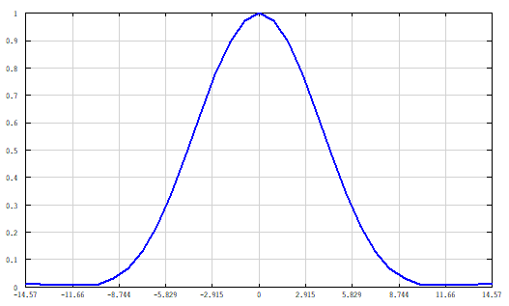

f1 | 50mm
f2 | 40mm
EFL(calc) | 24.84mm
EFL(Zemax) | 24.30mm
Image d1 | 18.971mm
Image d2 | 40.56mm
w0 (calc) | 2.572um
b (calc) | 85.16um
w0 (Zemax) | 4.375um
b (Zemax) | 246.4um

